GBX-STZ
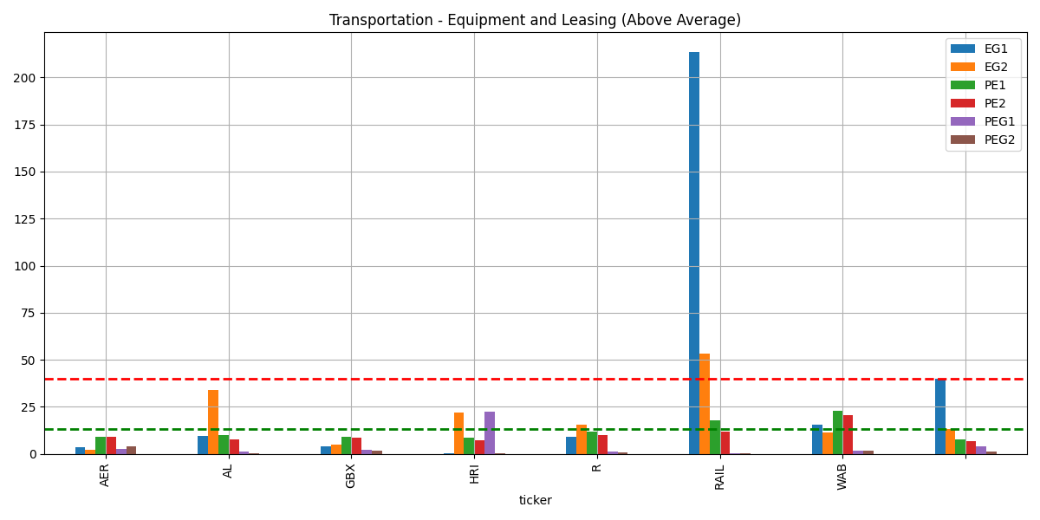
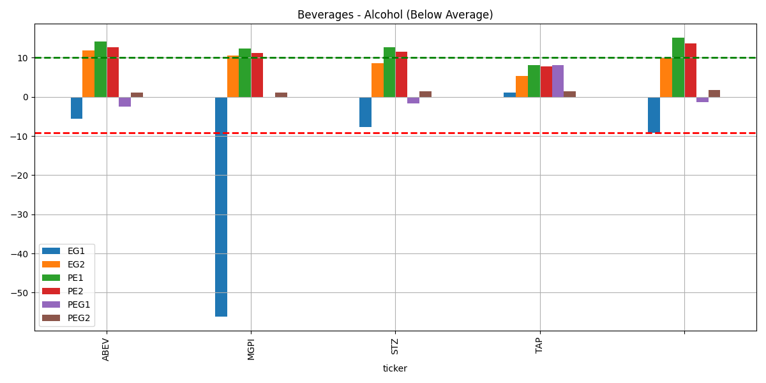

roe%
 | Currency in USD | Current Qtr. (May 2025) | Next Qtr. (Aug 2025) | Current Year (2025) | Next Year (2026)
 | No. of Analysts | 2 | 2 | 2 | 2 |  |  |  |  |  |  |  | Currency in USD | Current Qtr. (May 2025) | Next Qtr. (Aug 2025) | Current Year (2026) | Next Year (2027)
 | Avg. Estimate | 0.99 | 0.92 | 5.32 | 4.7 |  |  |  |  |  |  |  | No. of Analysts | 17 | 17 | 20 | 19
 | Low Estimate | 0.86 | 0.89 | 5.15 | 4 |  |  |  |  |  |  |  | Avg. Estimate | 3.29 | 4.07 | 12.65 | 13.71
 | High Estimate | 1.11 | 0.94 | 5.5 | 5.4 |  |  |  |  |  |  |  | Low Estimate | 3 | 3.79 | 12.29 | 13.16
 | Year Ago EPS | 1.06 | 1.92 | 4.96 | 5.32 |  |  |  |  |  |  |  | High Estimate | 3.53 | 4.22 | 12.92 | 14.1
 |  |  |  |  |  |  |  |  |  |  |  |  | Year Ago EPS | 3.57 | 4.32 | 13.78 | 12.65
 |  | 0.985 | 0.915 | 5.325 | 4.7
 |  |  |  |  |  |  |  |  |  |  |  |  |  | 3.265 | 4.005 | 12.605 | 13.63
 | Currency in USD | Current Qtr. (May 2025) | Next Qtr. (Aug 2025) | Current Year (2025) | Next Year (2026)
 | Up Last 7 Days | -- | -- | -- | -- |  |  |  |  |  |  |  | Currency in USD | Current Qtr. (May 2025) | Next Qtr. (Aug 2025) | Current Year (2026) | Next Year (2027)
 | Up Last 30 Days | -- | -- | -- | -- |  |  |  |  |  |  |  | Up Last 7 Days | 1 | 1 | -- | --
 | Down Last 7 Days | 2 | 2 | 2 | 2 |  |  |  |  |  |  |  | Up Last 30 Days | 1 | 2 | -- | 1
 | Down Last 30 Days | 2 | 2 | 2 | 2 |  |  |  |  |  |  |  | Down Last 7 Days | 3 | 5 | 7 | 7
 |  |  |  |  |  |  |  |  |  |  |  |  | Down Last 30 Days | 10 | 5 | 10 | 10

 | 2016 | 2017 | 2018 | 2019 | 2020 | 2021 | 2022 | 2023 | 2024 | 2025 | Current | 5-Yr
STZ | 17.11 | 22.83 | 31.05 | 33.36 | -0.1 | 15.53 | -0.32 | -0.7 | 19.03 | -0.98 | -0.98 | 20.85
GBX | 22.8 | 12.27 | 13.38 | 5.63 | 3.81 | 2.5 | 3.63 | 4.94 | 12.17 | 14.69 | 14.69 | 17.02

gbx | 0.33
stz | 0.26
prgs | 0.28

